IS Code
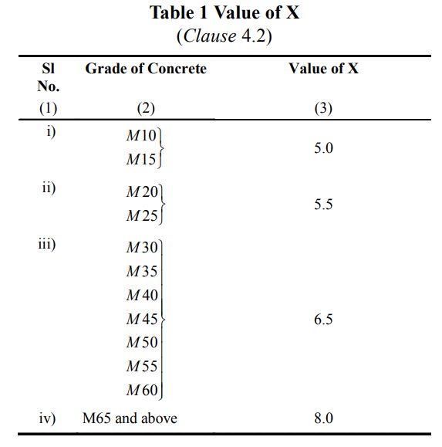
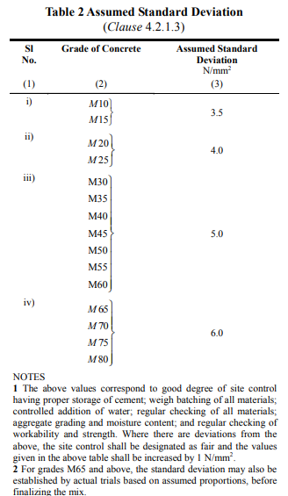
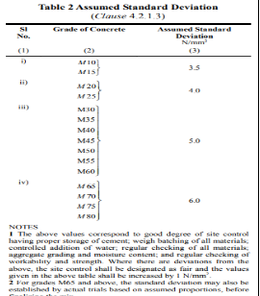
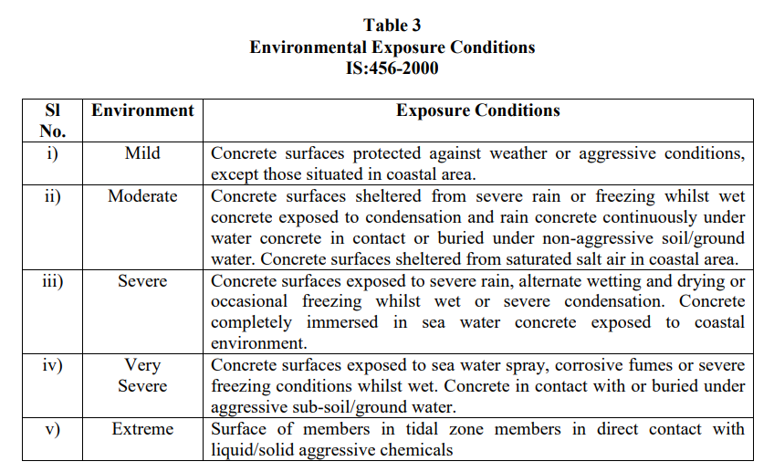
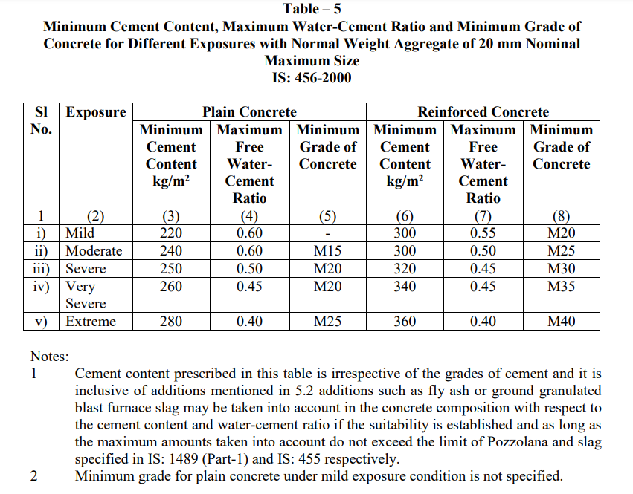

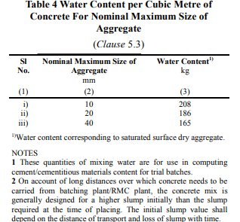
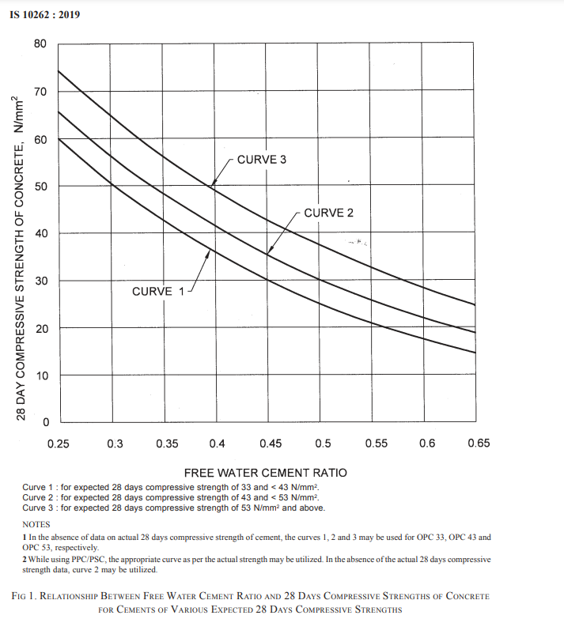
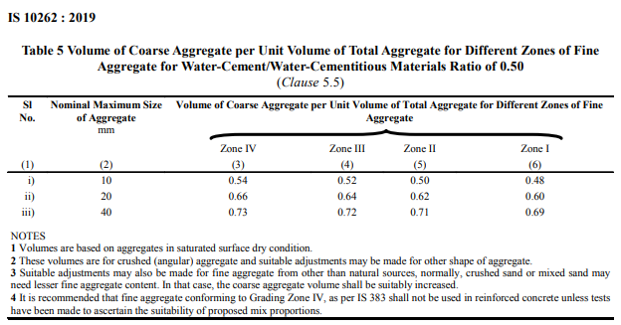

Rebound Hammer and UPV
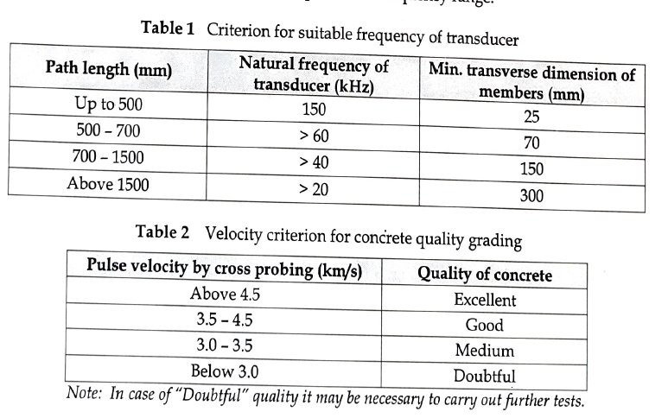
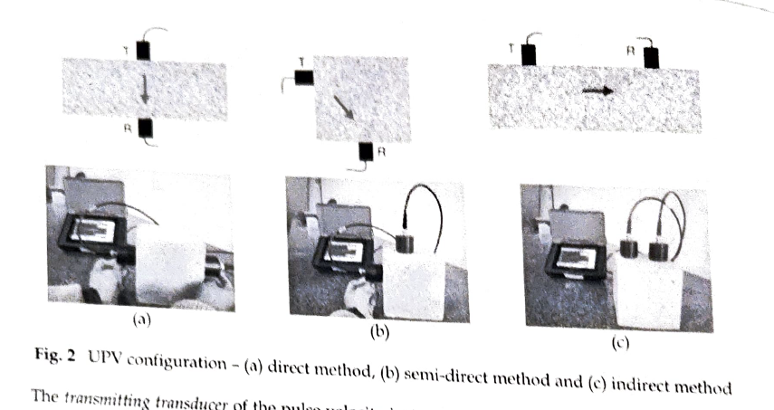
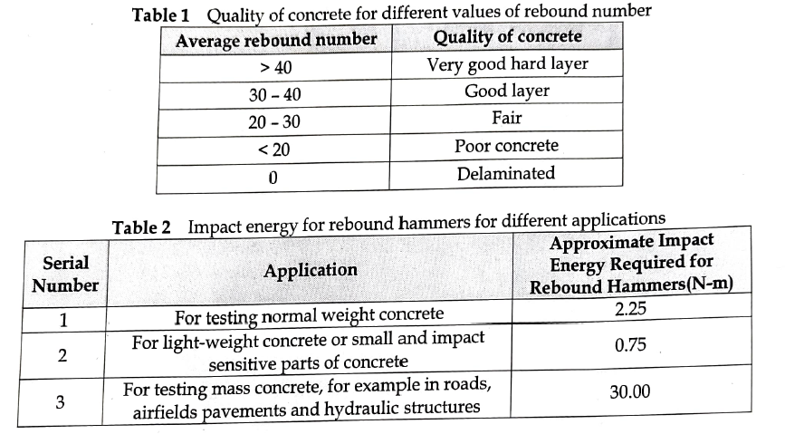
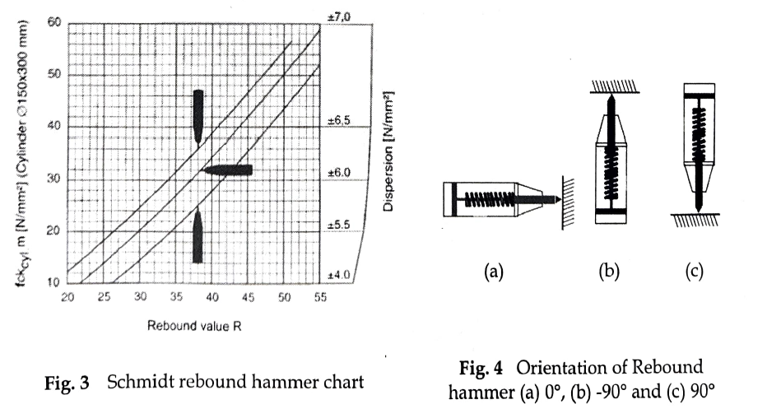
IS: 13311 (Part 2) : 1992, Non-destructive testing of concrete - nethods of test rebound hanmer, Bureau of Indian Standard (BIS), New Delhi, India. IS 516 (Part 5/Sec 4) :2020, Hardened concrete - methods of test, Part 5 non-destructive testing of concrete, Section 4 rebound hammer test, Bureau of Indian Standard (BIS), New Delhi, India. IS8 900:1978, Criteria for rejection of outlying observations, Bureau of Indian Standard (BIS), New Delhi, India.

Plots
 | 7 day | 28 day |  | Slumnp Value | CTM(7 day) | UPV | compressive strength
M25 | 24.48 | 29.6 | M25 | 70 | M25 | 4.75 | 29.6
M25+20%Marble Dust | 20.54 | 25.48 | M25+20%Marble Dust | 65 | M25+20%Marble Dust | 4.2 | 25.48
M25+20%Fly Ash | 24.42 | 29.65 | M25+20%Fly Ash | 70 | M25+20%Fly Ash | 5.37 | 29.65

Compressive Strength Test(M25)
Slump Cone Test(M25)
UPV Test V/s Compressive Strength Test
 | 28 Day Compressive Strength(MPa) | Ultra Pulse Velocity (km/s)

Copy of Plots
 | 7 day | 28 day |  | Slumnp Value | CTM(7 day) | UPV | compressive strength
M25 | 24.48 | 29.6 | M25 | 70 | M25 | 4.75 | 29.6
M25+20%Marble Dust | 20.54 | 25.48 | M25+20%Marble Dust | 65 | M25+20%Marble Dust | 4.2 | 25.48
M25+20%Fly Ash | 24.42 | 29.65 | M25+20%Fly Ash | 70 | M25+20%Fly Ash | 5.37 | 29.65

Compressive Strength Test(M25)
Slump Cone Test(M25)
UPV Test V/s Compressive Strength Test
 | 28 Day Compressive Strength(MPa) | Ultra Pulse Velocity (km/s)

Sheet16
CTM(7 day) | UPV | compressive strength
M25+20%Marble Dust | 4.2 | 25.48
M25 | 4.75 | 29.6
M25+20%Fly Ash | 5.37 | 29.65

Correlation Between Ultra Pulse Velocity and Compressive Strength

